Act on Objectives
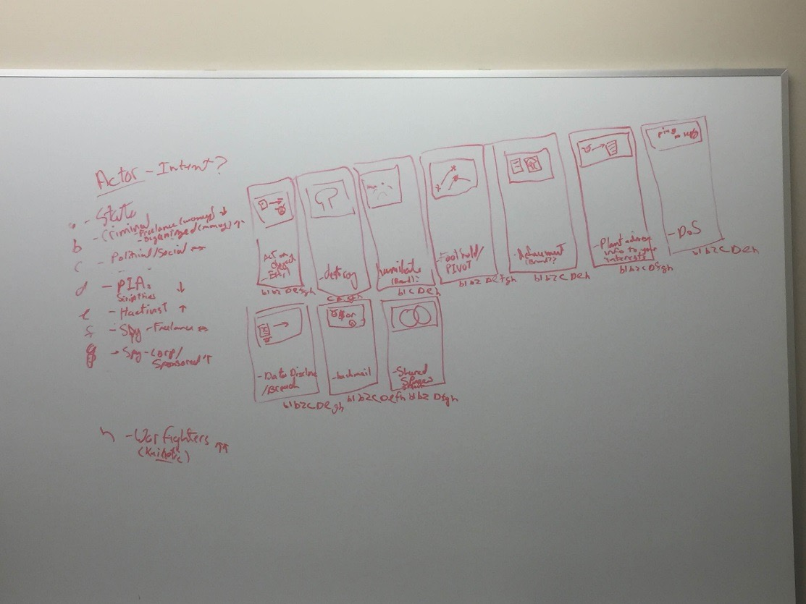
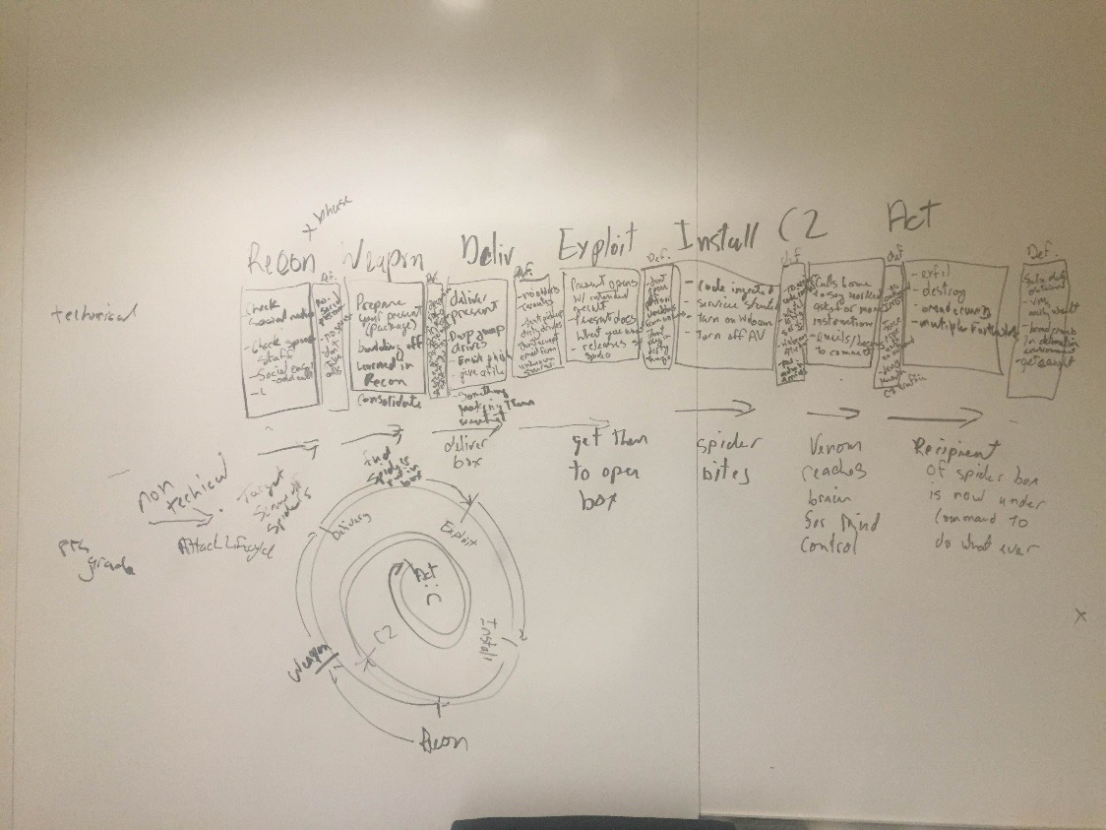
 | State Actor | Criminal (org) | Criminal (freelance) | Political/Social | PIA (Scriptkiddies) | Hactivists | Spy - Freelance | Spy - Corp | Warfighters
Exfil | 1 | 1 | 1 |  | 1 | 1 | 1 | 1 | 1
Destroy |  |  |  | 1 | 1 |  |  | 1 | 1
Humiliate | 1 | 1 |  | 1 | 1 | 1 |  |  | 1
Foothold/Pivot | 1 | 1 | 1 |  | 1 | 1 | 1 | 1 | 1
Defacement |  | 1 | 1 | 1 | 1 | 1 |  |  | 1
Plant Info (False Data) | 1 | 1 | 1 | 1 | 1 |  | 1 | 1 | 1
Denial of Service | 1 | 1 | 1 | 1 | 1 | 1 |  |  | 1
Data Disclosure |  | 1 | 1 | 1 | 1 | 1 |  | 1 | 1
Shared Space | 1 | 1 | 1 |  | 1 |  | 1 | 1 | 1
Blackmail | 1 | 1 | 1 | 1 | 1 | 1 | 1 |  | 1
Ransomware |  | 1 | 1

Actors Score | 35 | 40 | 18 | 14 | 10 | 21 | 10 | 18 | 50

Actor Multiplier | 5 | 4 | 2 | 2 | 1 | 3 | 2 | 3 | 5

